23-24 Cohort-Revd 24-25 T&F
Palo Alto University
2023-24 COHORT
TUITION AND FEE FOR ACADEMIC YEAR 24-25
[Students are responsible for following the degree plan applicable to their program]

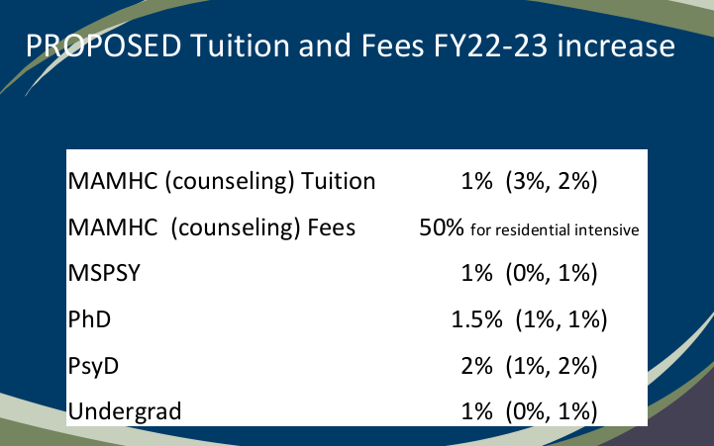
DOCTORAL - PhD
Full-Time | 23-24 COHORT RATES FOR ACADEMIC YEAR 24-25
Flat Rate Per Quarter Tuition (Fall, Winter, Spring) | 17,447
Fee Per Quarter (Fall, Winter, Spring) | 1,971
 | 19,418

DISSERTATION | 23-24 COHORT RATES FOR ACADEMIC YEAR 24-25
Dissertation Flat Rate Tuition (4th year in Program, 10 units per quarter-Fall, Winter, Spring) | 13,368
Fee Per Quarter (Fall, Winter, Spring) | 1,886
 | 15,254

INTERNSHIP | 23-24 COHORT RATES FOR ACADEMIC YEAR 24-25
Internship Flat Rate Tuition (3 units per quarter-Fall, Winter, Spring, Summer) | 2,508
Fee Per Quarter (Fall, Winter, Spring) | 1,886
 | 4,394

ADDITIONAL DISSERTATION UNITS | 23-24 COHORT RATES FOR ACADEMIC YEAR 24-25
Dissertation Units Tuition (3 units per quarter until completion -Fall, Winter, Spring, Summer**) | 4,173
Fee Per Quarter (Fall, Winter, Spring) | 1,886
 | 6,059
**Tuition charged for dissertation units if taken in Year 3 Summer Qtr.

(1) This amount is charged for 4 quarters
(2) This amount is charged for 3 quarters

DOCTORAL - PsyD
Full Time | 23-24 COHORT RATES FOR ACADEMIC YEAR 24-25
Flat Rate Per Quarter Tuition (Fall, Winter, Spring) | 19,201
Fee Per Quarter (Fall, Winter, Spring) | 2,472
TOTAL | 21,673

DISSERTATION | 23-24 COHORT RATES FOR ACADEMIC YEAR 24-25
Dissertation Flat Rate Tuition (4th year in Program, 10 units per quarter; Fall, Winter, Spring) | 14,038
Fee Per Quarter (Fall, Winter, Spring) | 1,980
TOTAL | 16,018

INTERNSHIP | 23-24 COHORT RATES FOR ACADEMIC YEAR 24-25
Internship Flat Rate Tuition (3 units per quarter; Fall, Winter, Spring, Summer) | 2,632
Fee Per Quarter (Fall, Winter, Spring) | 2,366
TOTAL | 4,998

ADDITIONAL DISSERTATION UNITS | 23-24 COHORT RATES FOR ACADEMIC YEAR 24-25
Dissertation Units Tuition (3 units per quarter until completion -Fall, Winter, Spring, Summer**) | 4,381
Fee Per Quarter (Fall, Winter, Spring) | 1,980
TOTAL | 6,362

**Tuition charged for dissertation units if taken in Year 3 Summer Qtr

(1) This amount is charged for 4 quarters
(2) This amount is charged for 3 quarters

GRADUATE - MASTERS
M.A. in Clinical Mental Health Counseling | 23-24 COHORT RATES FOR ACADEMIC YEAR 24-25
Per Unit Tuition | 595
Per Unit Fees | 59
 | 654

M.S. Psychology Program | 23-24 COHORT RATES FOR ACADEMIC YEAR 24-25
Per Unit Tuition | 935
Per Unit Fee | 74
 | 1,009

UNDERGRADUATE
Tuition and Fees (Daytime - 3 quarters per year) | 23-24 COHORT RATES FOR ACADEMIC YEAR 24-25
Flat Rate Per Quarter Tuition (for 12 or more units) | 6,082
Fees Per Quarter (for 12 or more units) | 1,848
 | 7,930

Evening/Online Programs (4 quarters per year) | 23-24 COHORT RATES FOR ACADEMIC YEAR 24-25
Flat Rate Per Quarter Tuition (for 12 or more units) | 4,562
Fees Per Quarter (for 12 or more units) | 1,386
 | 5,948

Per Unit Tuition | 397
Per Unit Fee | 121

NON-MATRICULATING & AUDIT | 23-24 COHORT RATES FOR ACADEMIC YEAR 24-25
For Credit
Per Unit Tuition | 1,236
Fee Per Quarter | 1,676

For Audit (with Audit to appear on Transcript) | 23-24 COHORT RATES FOR ACADEMIC YEAR 24-25
Per Unit Tuition | 618
Fee Per Quarter | 838

Payment Options:
Financial Aid
Check
Wire Transfer
Credit Card

